Application Screen
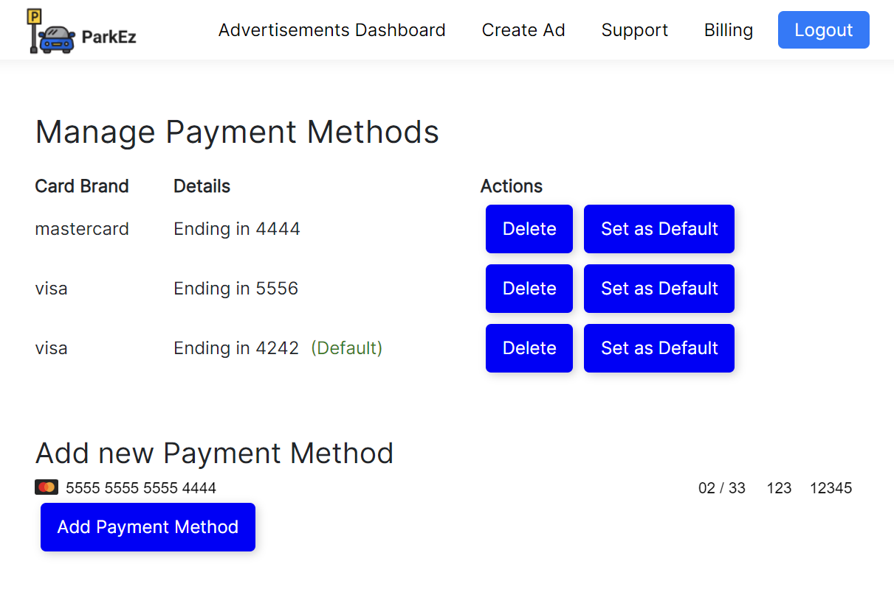

Test Case 4
TC Title: | TC4. System Interface Inbound

TC Objective: | Demonstrate data is coming from Stripe to ParkEz

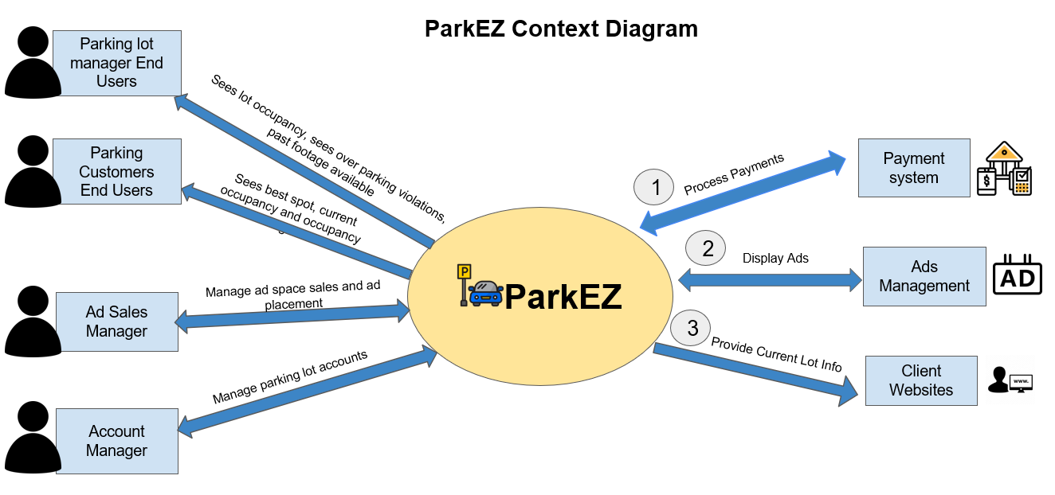
Note: | Since we are defining payments, rather than paying invoices in this crosscut, validation consists of ensuring credit cards in payment system matches what customers expect rather than specific payments.
TC Description
 | Step | Step Description | Expected Results
 | 1 | Access Stripe's Testing Dashboard and select a customer id for business@example.com or advertiser@example.com (see below). | Tester should see all transactions and payment methods related to the testing environment of the web app for logged in QA test user.
 | 2 | Add a new card via the "Manage Payment Methods" page. | After the card details are provided and "Add Payment Method" is clicked, the new card should be added to the table in the web app.
 | 3 | Verify Card in Stripe Dashboard. | The new card should also be listed in the Stripe's Testing Dashboard under payment methods.
 | 4 | Set a card as default in the web app. | The designated card should be labeled with a green "(Default)" in the web app.
 | 5 | Verify Default in Stripe Dashboard. | The card set as default in the web app should also be set as the default payment method in the Stripe's Testing Dashboard.
 | 6 | Delete a card in the web app. | The card should be removed from the "Manage Payment Methods" table in the web app.
 | 7 | Verify Deletion in Stripe Dashboard. | The deleted card should no longer be listed under payment methods in the Stripe's Testing Dashboard.
 | 8 | Attempt adding an invalid card in the web app. | An error message should appear in the web app.
 | 9 | Check Stripe Dashboard for Error Log. | The error related to the invalid card attempt should be logged and visible in the Stripe's Testing Dashboard.
 | 10 | Add multiple cards via the web app. | All added cards should be displayed in the "Manage Payment Methods" table in the web app.
 | 11 | Verify Multiple Cards in Stripe Dashboard. | All the added cards should also be listed in the Stripe's Testing Dashboard under payment methods.
 | 12 | Delete the default card in the web app. | Another card should be set as default (if system behavior is to auto-assign) or no default card is set.
 | 13 | Verify Default Change/Removal in Stripe Dashboard. | The Stripe's Testing Dashboard should reflect the change or absence of a default card based on the action in the web app.
 | 14 | Verify Transaction in Stripe Dashboard. | The new transaction should be visible and correctly logged in the Stripe's Testing Dashboard with the associated payment method.

 |  | In our current QA environment
 |  | Customer_id is cus_OmI33gnfCxqxG6 for advertiser@example.com
 |  | Customer_id is cus_OmI4R9FT0VEl3c for business@example.com

 |  | In our current QA environment
 |  | Customer_id is cus_OmI33gnfCxqxG6 for advertiser@example.com
 |  | Customer_id is cus_OmI4R9FT0VEl3c for business@example.com

 |  | Stripe Login
 |  | email: tc10815p@pace.edu
 |  | pass: Raccoon1!Raccoon1!

